Revenue & AOV
Total Revenue (DEC 24 vs JAN 25)
Total Revenue
 | Dec-24 | Jan-25
Revenue | $344,619.61 | $125,863.71

Revenue by Device Category

Revenue | Dec-24 | Jan-25 | Revenue % Change (Dec 24 vs Jan 25)
Desktop | $329,164.16 | $119,869.19 | 174.60%
Mobile | $14,723.25 | $5,674.48 | 159.46%
Tablet | $732.20 | $320.04 | 128.78%
Total | $344,619.61 | $125,863.71
Revenue by Device Category

Revenue by Customer Type

Revenue | Dec-24 | Jan-25 | Revenue % Change (Dec 24 vs Jan 25)
Returning | $226,164.98 | $83,152.00 | 171.99%
New | $90,945.89 | $34,882.42 | 160.72%
Not Set | $27,508.74 | $7,829.29 | 251.36%
Total | $344,619.61 | $125,863.71

Revenue by Customer Type

Average Order Value (AOV)
AOV For Dec 24 vs Jan 25

 | Dec-24 | Jan-25
AOV | $161.64 | $135.19

AOV by Device Category
AOV by Device Category

AOV | Dec-24 | Jan-25
Desktop | $168.72 | $139.22
Tablet | $91.53 | $106.68
Mobile | $85.11 | $84.69

Bounce Rate & Cart Adds
Bounce Rate
Bounce Rate
Dec-24 | 43.84%
Jan-25 | 41.55%
% change | 5.52%

Bounce rate by Browser

Bounce rate by Browser

Browser | Dec-24 | Jan-25
Safari | 58.54% | 49.42%
Firefox | 43.91% | 44.92%
Chrome | 39.62% | 39.93%
Opera | 42.76% | 45.62%
UC Browser | 100.00% | 100.00%

Top 5 Cart Addition by Item Name

Dec-24 |  |  | Jan-25

Item Name | Cart Additions | % of Total | Item Name | Cart Additions | % of Total
Total | 47,468 | 100% | Total | 31,667 | 100%
Android Classic Collectible | 1,615 | 3.40% | Google Sticker | 1,474 | 4.65%
Chrome Dino Collectible Figurines | 1,444 | 3.04% | Android Classic Plushie | 1,408 | 4.45%
Google Navy Bike Cap | 1,242 | 2.61650% | Google Bamboo Lid Recycled Bottle | 1,320 | 4.17%
Chrome Dino Floating Pen | 1,059 | 2.23098% | Google Classic Black Cap | 963 | 3.04102%
Google Large Standard Journal Grey | 872 | 1.83703% | Google Pen Red | 956 | 3.01892%

Bounce Rate by Device Category

Bounce rate by Device Category

Device category | Dec-24 | Jan-25
smart tv | 100.00% | 80.00%
tablet | 63.08% | 48.05%
mobile | 46.23% | 41.99%
desktop | 41.11% | 40.63%

Bounce Rate by Age Category
Bounce rate by Age Category

Age | Dec-24 | Jan-25
65+ | 52.53% | 40.29%
unknown | 48.93% | 44.11%
55-64 | 39.67% | 33.22%
18-24 | 31.52% | 36.24%
35-44 | 29.87% | 28.23%
45-54 | 28.65% | 30.58%
25-34 | 28.12% | 32.38%

Conversion Rate
Purchase Conversion Rate By Device Category
Purchase conversion rate by device category

Purchase Conversion Rate | Dec-24 | Jan-25
Desktop | 3.03% | 1.61%
Mobile | 0.52% | 0.29%
Tablet | 0.21% | 0.24%

 | Dec-24 |  |  | Jan-25
Estimated Number of Purchases (Conversion) | Purchase conversion | Sessions | Conversion | Purchase conversion | Sessions | Conversion
desktop | 3.03% | 64358 | 1951.00 | 1.61% | 53372 | 861.00
mobile | 0.52% | 33367 | 173.00 | 0.29% | 22739 | 0.67000000011
tablet | 0.21% | 3827 | 8.00 | 0.24% | 1259 | 0.030000000005
smart tv | 0.00% | 2 | 0.00 | 0.00% | 5 | 0

Estimated Number of Purchases (Conversion)

Engagement Metric
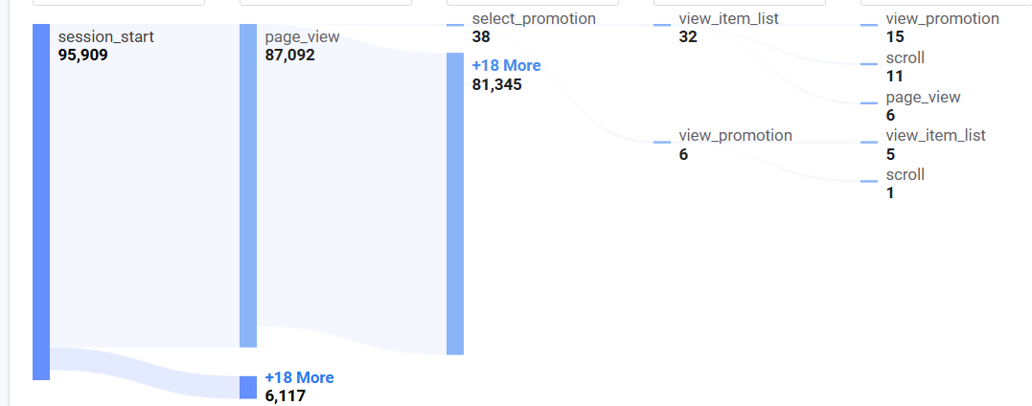
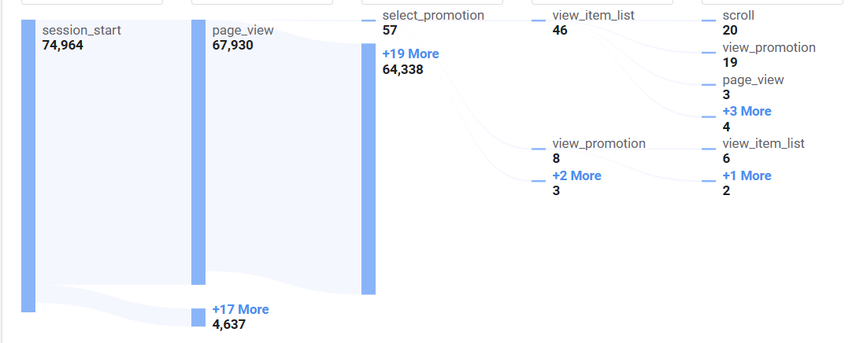
Comparison of Engagement rate for default channel group
Dec-24 |  |  | Jan-25
Default channel group | Engagement rate |  | Default channel group | Engagement rate
Paid Other | 100.00% |  | Organic Video | 100.00%
Organic Video | 100.00% |  | Paid Other | 100.00%
Organic Social | 99.34% |  | Email | 99.85%
Organic Search | 99.25% |  | Referral | 99.72%
Organic Shopping | 99.25% |  | Paid Search | 99.65%
Email | 99.17% |  | Organic Search | 98.99%
Referral | 99.15% |  | Organic Social | 99.30%

Comparison of Promotion views
Dec-24 |  |  | Jan-25
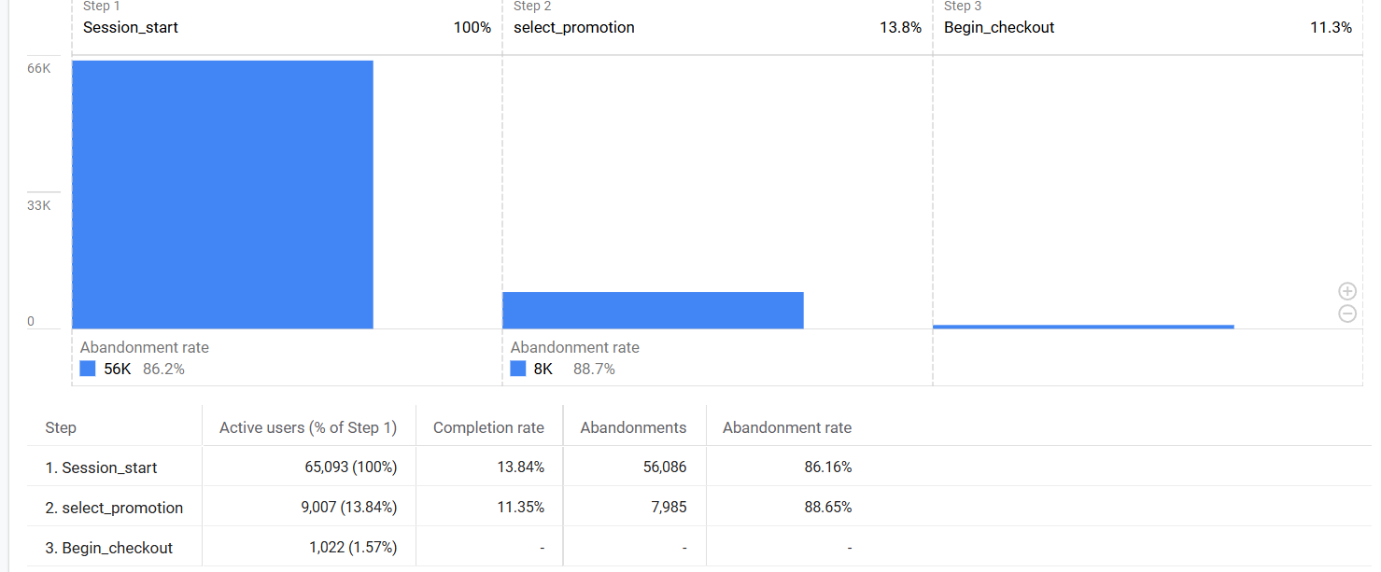
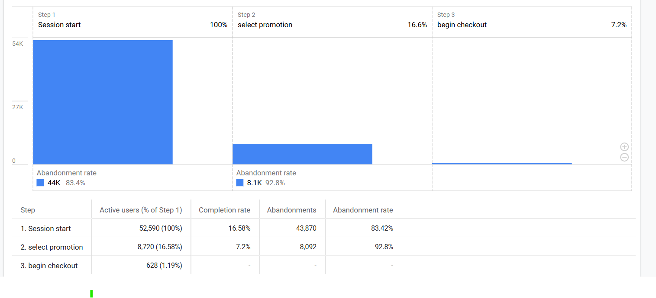

Comparison of Promotion score
Dec-24 |  |  | Jan-25
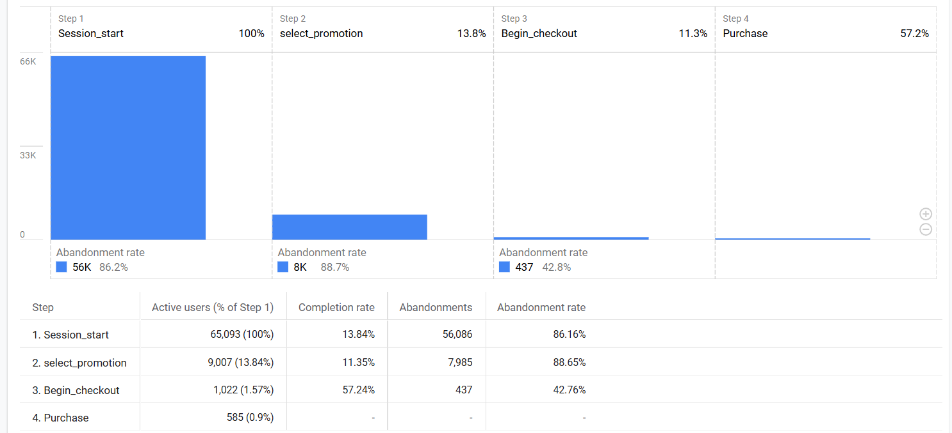


Comparison of itemspurchasedperitemview for item name between two time periods

Comparison of itemspurchasedperinterview rate
Dec-24 |  |  | Jan-25
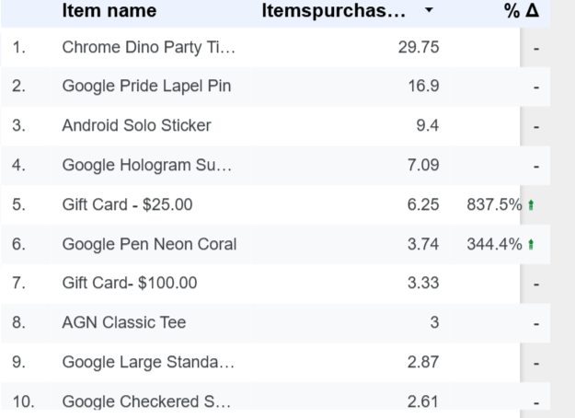
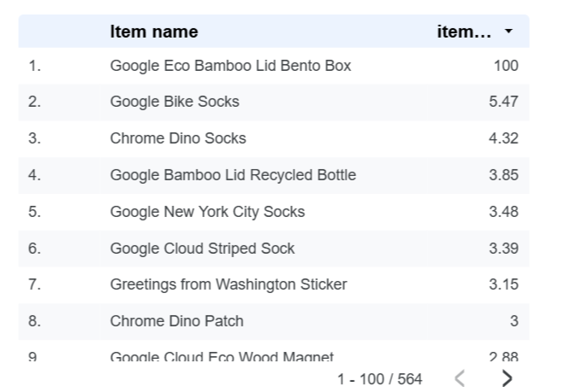
 |  |  |  |  | 2025-01-25

Comparison of first time user purchasers rate
Dec-24 |  |  | Jan-25
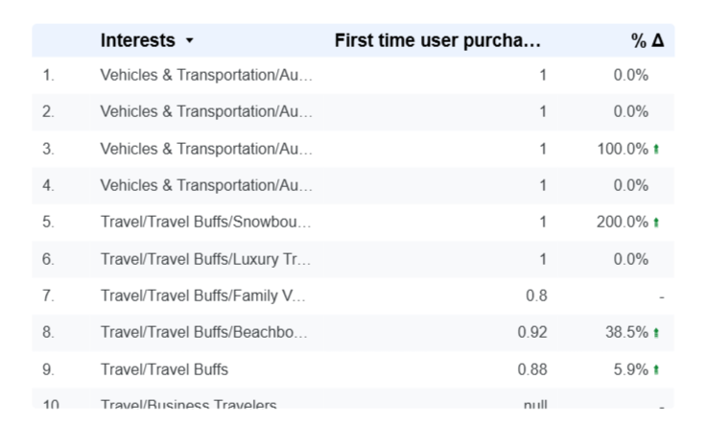
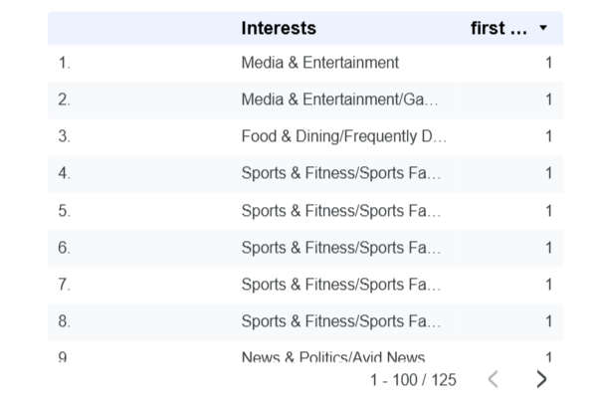

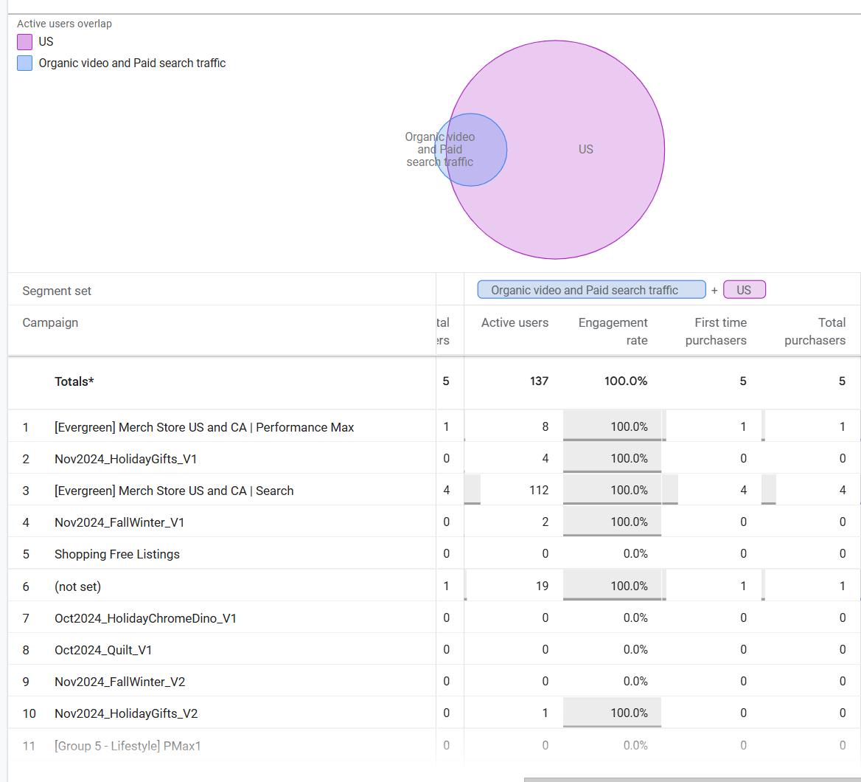
Comparison of first time users purchasers rate for organic video traffic, paid search traffic and US users for promotion
Dec-24 |  | Jan-25
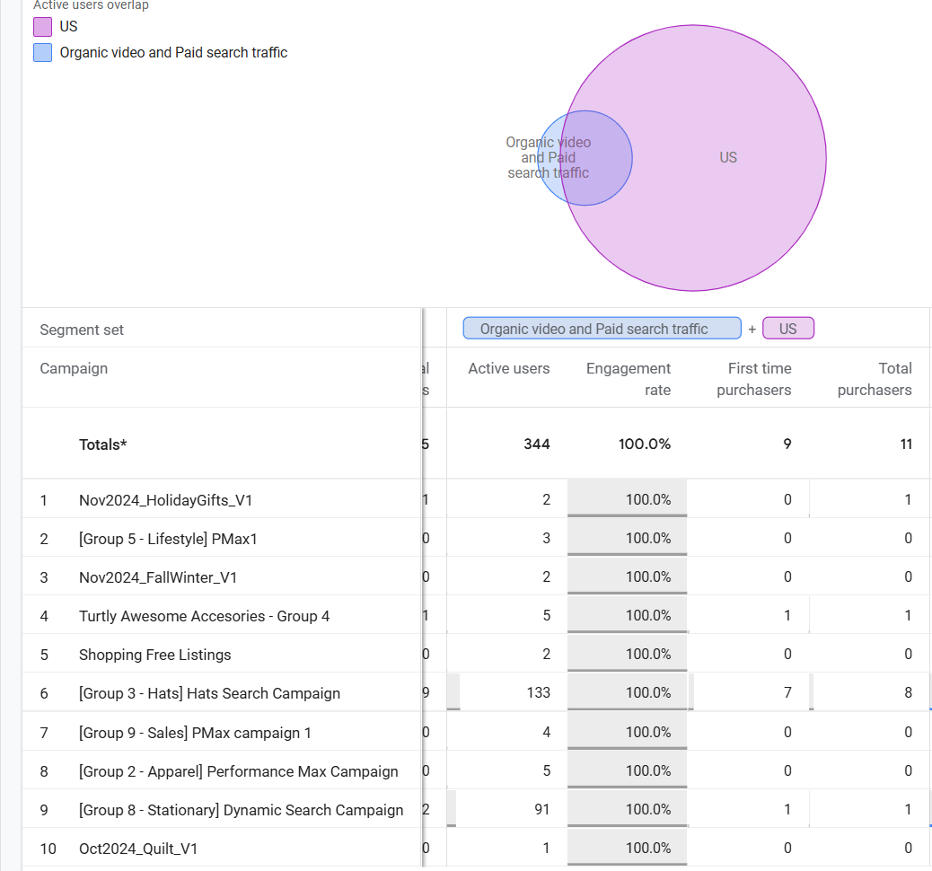

Comparison of user path flow for promotion
 | Dec-24 |  | Jan-25

